DFM template
 NEXTPCB DFA report
Project Number： |  | Prepared by: |  |  |  |  | Date: 20250210
Item | Problem description 问题描述 | Reference location 影响位置 | MPN 物料名称 | Impact 影响 | Image 图片 | NextPCB Suggestion 建议 | Customer feedback 客户反馈 | Severity 严重度 | Status 状态
1 | Is the length and width of the slot of J2 measured by taking the center of the outline frame of the outline layer as the base point？ | J2 |  | We are not sure. | 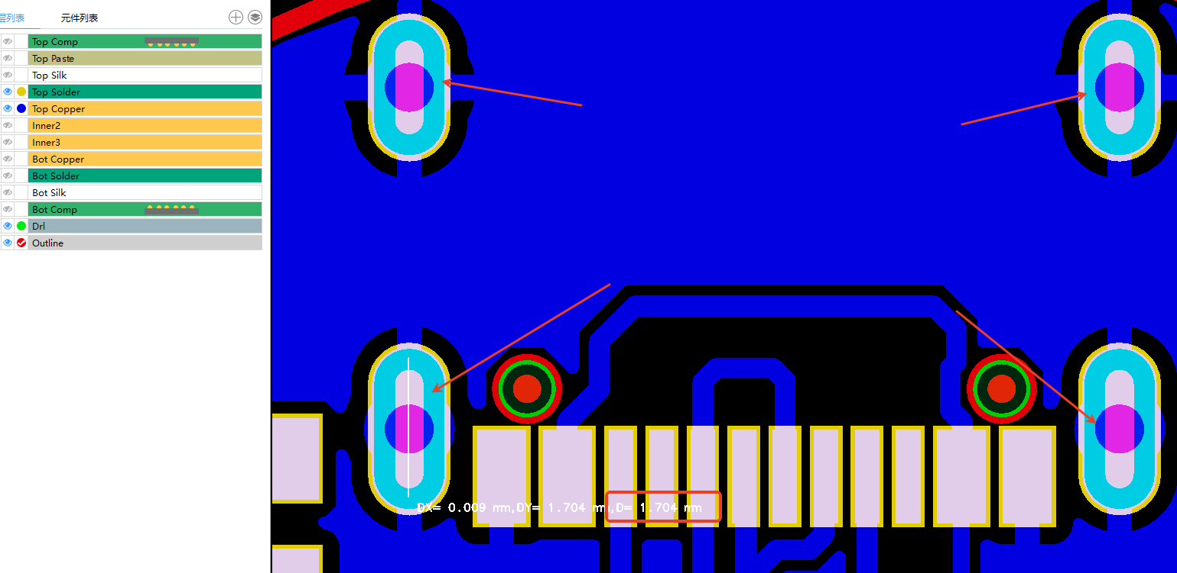 | please confirm. | They are taken by using the PCB edge as a reference. Attaching an image. | High | open | 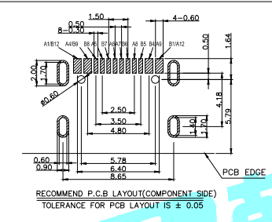
2 | The width of the pads is too short in gerber. | R3,R4 |  | The component can not be 100% soldered on the board which will cause soldering issue. | 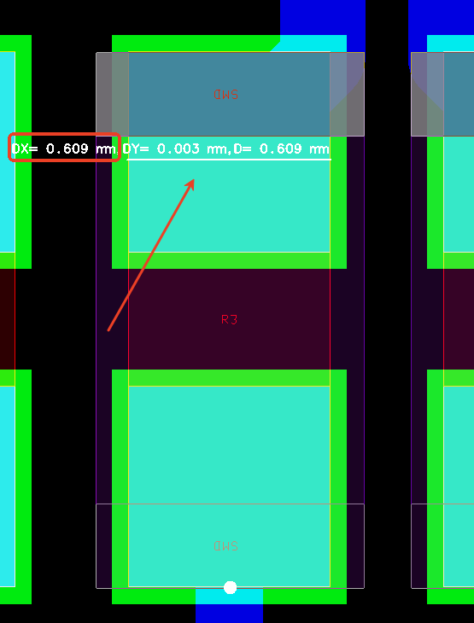 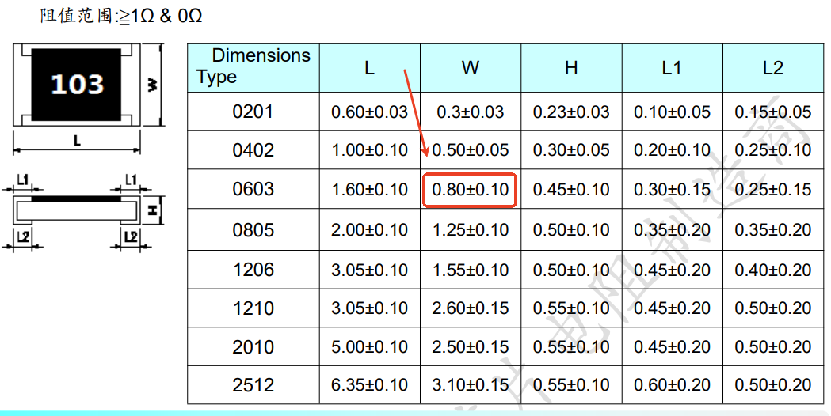 | please modify the width of the pads to 0.8mm according to the datasheet. | Fixed | High | open
3 | The pads are too close.The pitch of the pads should be 1.9mm while it is only 1.3mm in gerber. | Q2 |  | The component can not be 100% soldered on the board which will cause soldering issue. | 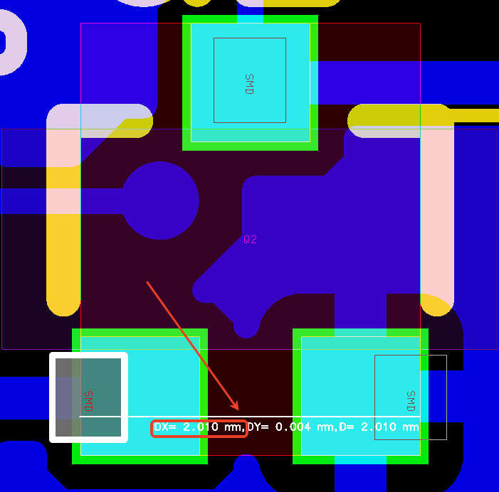 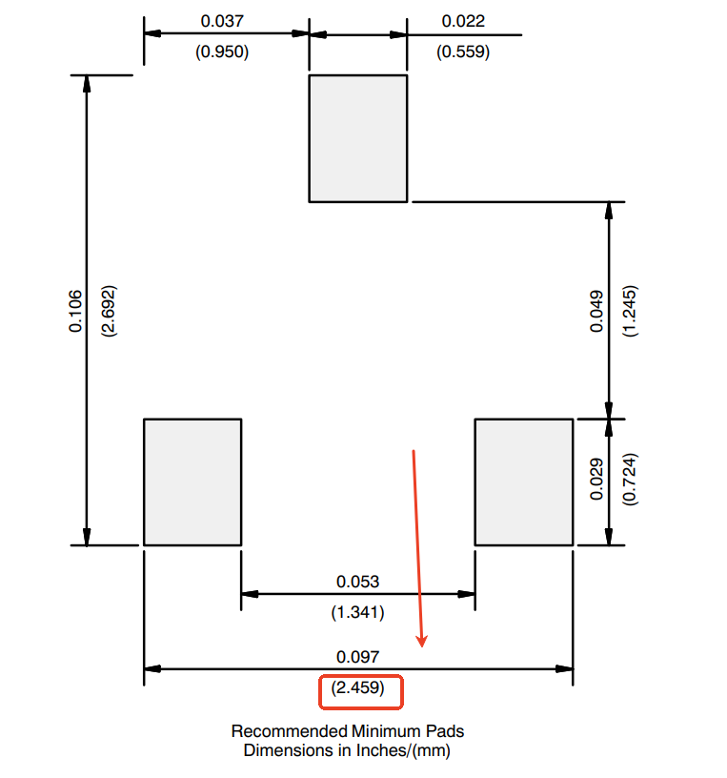 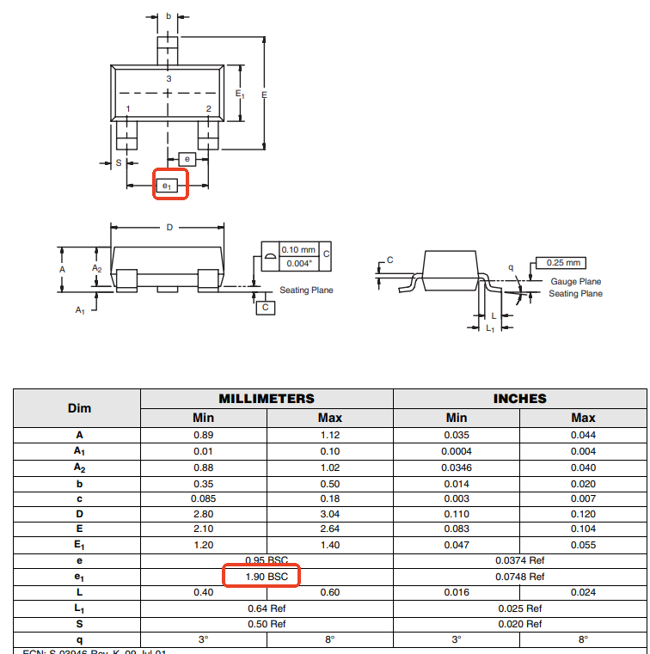 | please modify the footprint according to the datasheet.You can refer to the layout recommended in the datasheet. | Fixed | High | open
4 | Where is PIN1？ | Y1,U10 |  | —— | 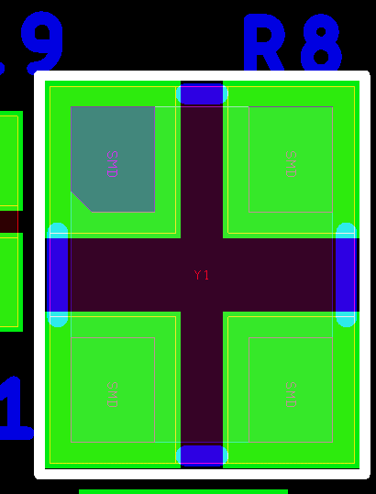 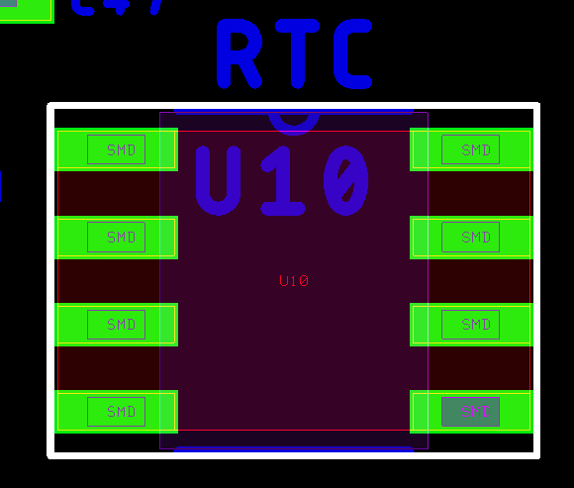 | please point out in the silk layer or point out in the picture. | Fixed | Middle | open
5 | Is that the cathode where the arrow is pointing? | C43,D1,D2 |  | We are not sure about the polarity. | 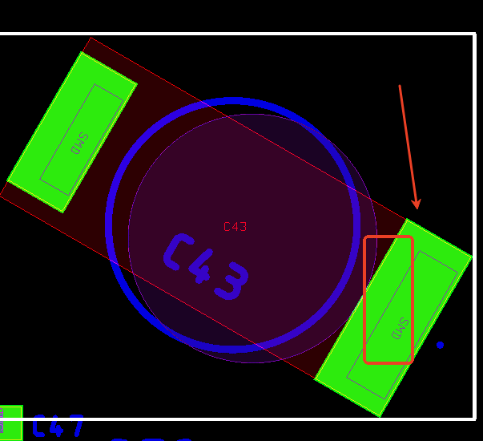 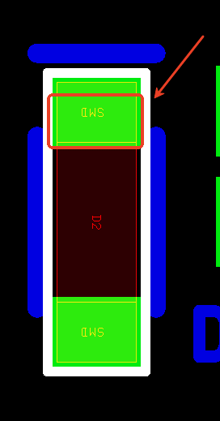 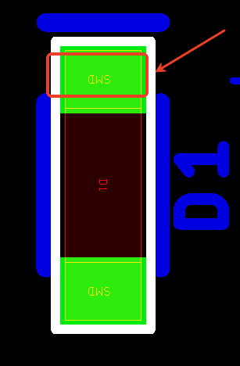 | please confirm. | Fixed | Middle | open

